Sheet1
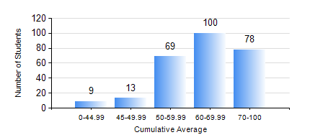
 |  |  | KWAME NKRUMAH UNIVERSITY OF SCIENCE AND TECHNOLOGY, KUMASI Department of Civil Engineering

 |  |  | BSC. CIVIL ENG.

 |  |  | COMPREHENSIVE RECORD OF EXAMINATION RESULTS

 |  |  | RESULTS OF YEAR 2 FIRST SEMESTER, 2023/2024 ACADEMIC YEAR

 | Sn | Course Code |  | Course Name | Credit Hours | Min. Mark | Max. Mark | Avg. Mark | Std. Dev. | No. Passed | No. Trailed | No. (Df) | No. (I) | No. (I*) | No. Tagged(I,I*,Df) | Total
 | 0. |  |  |  |  |  |  | 0 | 0 | 0 | 0 | 0 | 0 | 0 | 0 | 24
 | 1. | CE 251 |  | STRENGTH OF MATERIALS | 2 | 0 | 92 | 62 | 15.7 | 233 | 11 | 1 | 0 | 0 | 1 | 245
 | 2. | CE 255 |  | THEORY OF STRUCTURES | 3 | 0 | 99 | 59 | 20.35 | 231 | 13 | 0 | 1 | 0 | 1 | 245
 | 3. | CE 257 |  | COMPUTER PROGRAMMING | 2 | 0 | 86 | 68 | 12.92 | 239 | 6 | 0 | 0 | 0 | 0 | 245
 | 4. | CE 259 |  | ENGINEERING GEOLOGY | 2 | 0 | 75 | 47 | 13.03 | 207 | 37 | 1 | 0 | 0 | 1 | 245
 | 5. | CE 271 |  | ENGINEERING REPORTING | 2 | 0 | 90 | 57 | 17.45 | 217 | 27 | 1 | 0 | 0 | 1 | 245
 | 6. | CENG 291 |  | ENGINEERING IN SOCIETY | 2 | 0 | 87 | 65 | 12.1 | 239 | 5 | 1 | 0 | 0 | 1 | 245
 | 7. | MATH 251 |  | DIFFERENTIAL EQUATIONS | 4 | 0 | 86 | 60 | 13.98 | 237 | 8 | 0 | 0 | 0 | 0 | 245

